Sheet1
 |  | Document No. | Issue No. | Issue Date |  | Review and Replace Date |  | Authorised By
 |  | GFF441MC | 1 | 22.05.2024 |  | New Issue
 |  | Document Title | GC-10 Vegetable Samosa Jumbo 1400G
 |  |  |  |  |  |  |  | Magda Shah
Document amendments reason for change |  | New document created | Page 1 of 1 |  | Previous Issue Date |  | New Issue | Uncontrolled copy unless signed original

CVSAJ-B10X2T | WENZELS |  | GC- 10 Vegetable Samosa Jumbo 1400G | CHILLED
STEP 1 |  |  |  |  | STEP 2
 |  |  |  |  | 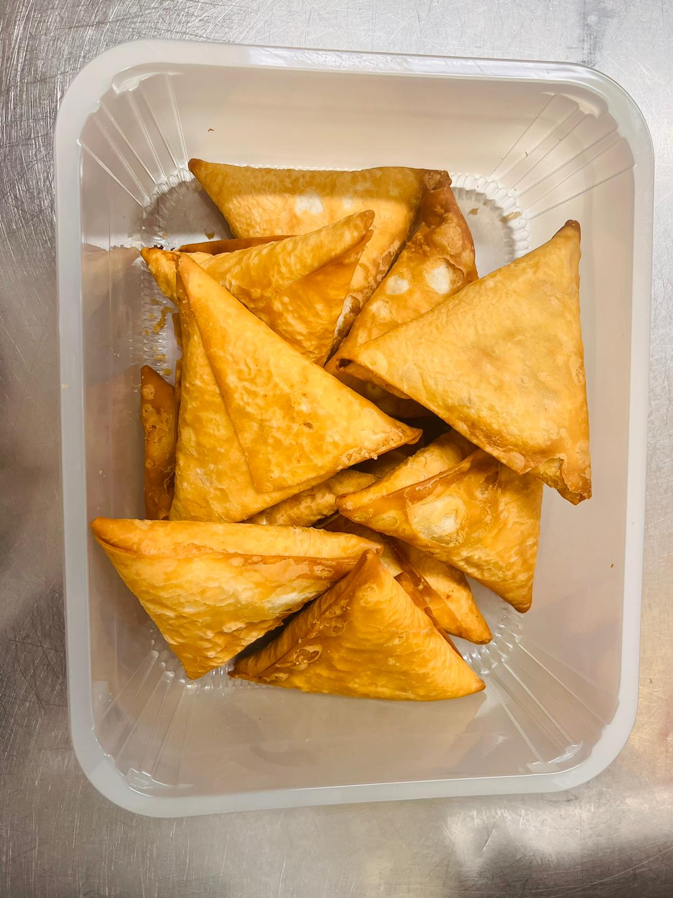

Tray: HW308/96 - OPEN ECO - (PKLEE001-10) |  |  |  |  | 10 Vegetable Samosa Large (GFF039R) 140g
Film: K Peel RPSM 25µm (340mmX1000lm)-(PKKMP001-05)
TOTAL WEIGHT: 1400g

ALLERGY ALERT: WHEAT

